Page Layout
Project Name |  |  |  | Wow tasty |  | User Type |  |  |  |  | User |  |  |  | Writer | Hak Choi
Phase |  |  |  | Requirements programing design |  | Page Name |  |  |  |  | Main(Restaurant) |  |  |  | Date | 11/24/2012

 | 1. Page layout

 |  | 1 ) layout
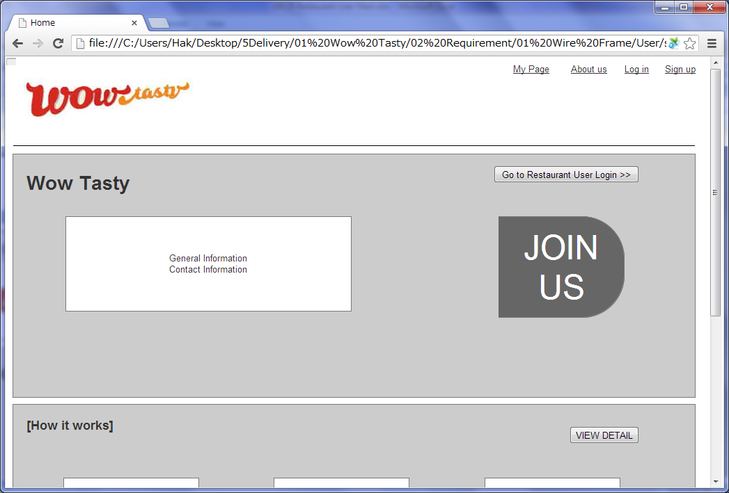

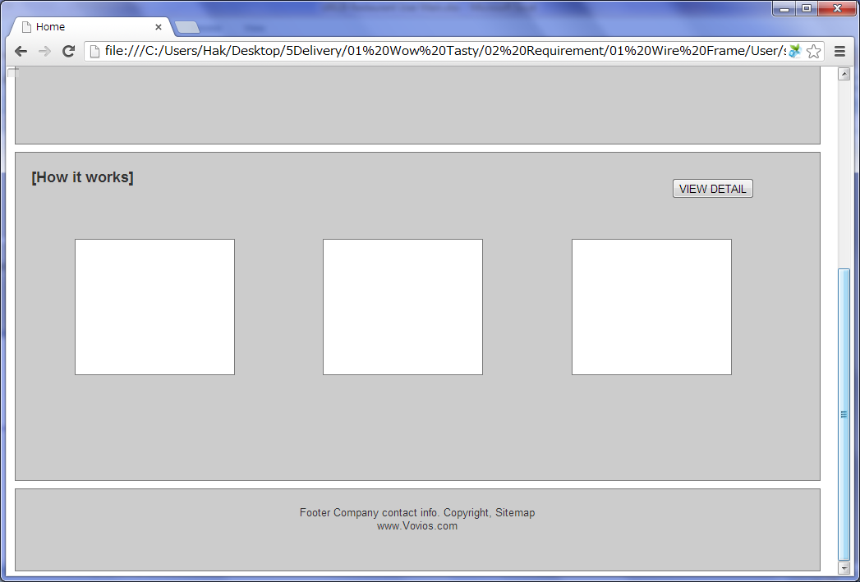

 |  | 2) Field list

 |  | No. | Name |  | Controller |  | Len | Align |  | Default |  | Note
 |  | 1 | Go to Restaurant User Login |  | Button
 |  | 2 | Join us |  | List
 |  | 3 | View Detail |  | Button

 |  | 3) Validation list

 |  | - Unit validation
 |  | No. | Name |  | Required | Type |  |  | Other |  |  |  |  | Error Message

 |  | - Correlation validation
 |  | No. | Condition |  | Field |  |  |  |  |  | Required |  | Other | Error message

Page Transition
Project Name |  |  |  |  | Wow tasty |  | User Type |  | User |  | Writer |  | Hak Choi
Phase |  |  |  |  | Requirements programing design |  | Page Name |  | Main(Restaurant) |  | Date |  | 11/24/2012

 | 2. Page Transition

 |  | 1) Event List

 |  | No. | Name |  |  | Event |  | Condition |  | Destination page
 |  | 1 | Go to Restaurant User Login |  |  | Click |  |  |  | [Restaurant User Login] page
 |  | 2 | Join us |  |  | Click |  |  |  | [Sign up(Restaurant)] page
 |  | 3 | View Detail |  |  | Click |  |  |  | [How it works(Restaurant)] page

 |  | 2) Page Transition |  |  |  |  |  |  |  |  |  | page |  | layer

 |  |  |  | Restaurant User Login

1

2
 |  |  |  | Main(Restaurant) |  |  | Sign up(Restaurant)

3

 |  |  | How it works(Restaurant)

